CoverPage
鱻漁.魚圆面
FRESH FISH FISH BALL NOODLE
新 加 坡 哥 列 码 头 C o l l y e r Q u a y S i n c e 1 9 6 5

eVending Simulator

 | This is just a simulator program to simulate how local hawker could improved in their business via eVending.

 |  | eVending Simulator Programmed By Remy Lim 2017 Ver1.0

Ordering_GUI_Home
鱻漁.魚圆面
FRESH FISH FISH BALL NOODLE
新 加 坡 哥 列 码 头 C o l l y e r Q u a y S i n c e 1 9 6 5
START ORDER
开始点餐
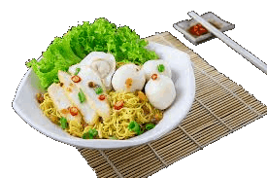 |  |  |  |  |  |  |  |  |  |  |  |  |  | 鱻 漁 . 魚 圆 面 Fresh Fish Fish Ball Noodle 新加坡哥列码头Collyer Quay Since 1965 RECEIPT
 |  |  |  |  |  |  |  |  |  |  |  |  |  | O/N: | 000000000
 |  |  |  |  |  |  |  |  |  |  |  |  |  | Time: | 3/24/17
 |  |  |  |  |  |  |  |  |  |  |  |  |  | S/N | Order List | Qty | Price
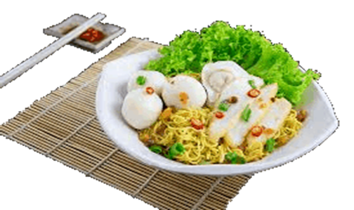
 | Menu 菜单 | Price/Bowl 每碗 |  | Select One 选一 |  |  |  | - / + | Qty | Price | Soup/Dry 汤面/干捞
 | Fish Ball Noodles 鱼圆面 |  | $3.00 | Fish Ball Noodles 鱼圆面 |  | 3 | 1 |  | 1 | $3.00 | 1
 | Fish Ball Noodles Large 鱼圆面大 |  | $4.00
 | Fish Ball Noodles Special 特制鱼圆面 |  | $5.00 | Takeaway 打包 + |  |  | FALSE | $- | Noodle Type 面类
 |  |  |  | Add Noodle 加面 + |  |  | FALSE | $- | 0
 |  |  |  | Add Ingredient 加料 + |  |  | FALSE | $- | #N/A |  | Soup 汤面
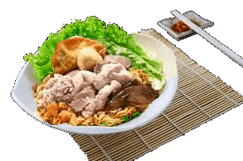
 | Minced Pork Noodles 肉脞面 |  | $3.00 | Spicy Level 辣度
 | Minced Pork Noodles Large 肉脞面大 |  | $4.00 | 1 | <Regular> 普通 | REG
 | Minced Pork Noodles Special 香菇肉脞面 |  | $5.00 | Healthy Choices 健康指定
 |  |  |  | 1 | <Regular> 普通 | REG |  |  |  |  |  | Add To Cart
 |  |  |  | 1 | <Regular> 普通 | REG
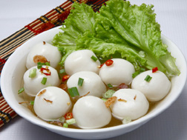
Add To Cart
添加
$$$
Payment
结账
 | Plain Fish Ball 鱼圆汤 |  | $3.00 |  |  |  |  |  |  |  |  |  | 1
 | Plain Fish Ball Large 鱼圆汤大 |  | $4.00

Payment
PAYMENT 付款
000000000 |  | TOTAL | $-

Order_Number | Time_Ordered | Order_Item | Takeaway | Add_Noodle | Add_Ingredient | Noodle_Type | Qty | Soup/Dry | Spicy_Level | Health_Choice1 | Health_Choice2 | Price

Kitchen
DONE - GO NEXT
完成-下一单
GO BACK PREVIOUS
回去上一单
- | 0 | Order Number : 000-00-0000 Item :0 0 0 0 0 Qty :0 0 0 0 0 | Order Number : 000-00-0000 Item :0 0 0 0 0 Qty :0 0 0 0 0 |  | Order Number : 000-00-0000 Item :0 0 0 0 0 Qty :0 0 0 0 0 |  | 1 | Outstanding | 0 |  |  |  | -
Order_Number | Time_Ordered | Order_Item | Takeaway | Add_Noodle | Add_Ingredient | Noodle_Type | Qty | Soup/Dry | Spicy_Level | Health_Choice1 | Health_Choice2 | Price | Status

Accounting_Ledger
RESET DEFAULT
全部归零
0 | 0 |  |  |  |  |  |  |  |  |  | Total | $-
Order_Number | Time_Ordered | Order_Item | Takeaway | Add_Noodle | Add_Ingredient | Noodle_Type | Qty | Soup/Dry | Spicy_Level | Health_Choice1 | Health_Choice2 | Price

